BOP Projections summary
Source: | Pearce et al. (2019) Climate change projections and impacts for the Bay of Plenty Region October 2019. NIWA client report 2019218AK

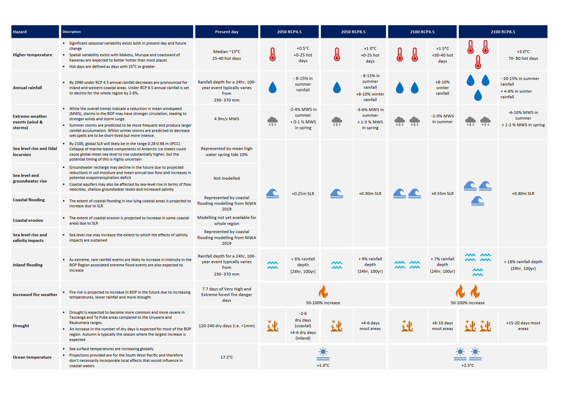

WDC Risk Framework
